VLC
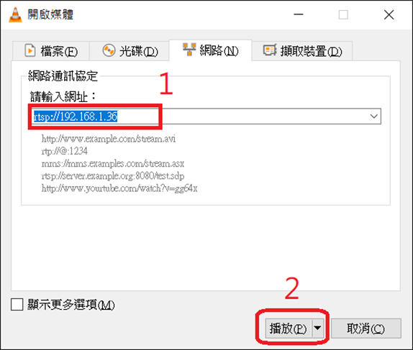
1. Video stream on PC (VLC)
Open VLC and following the screenshot below to open stream
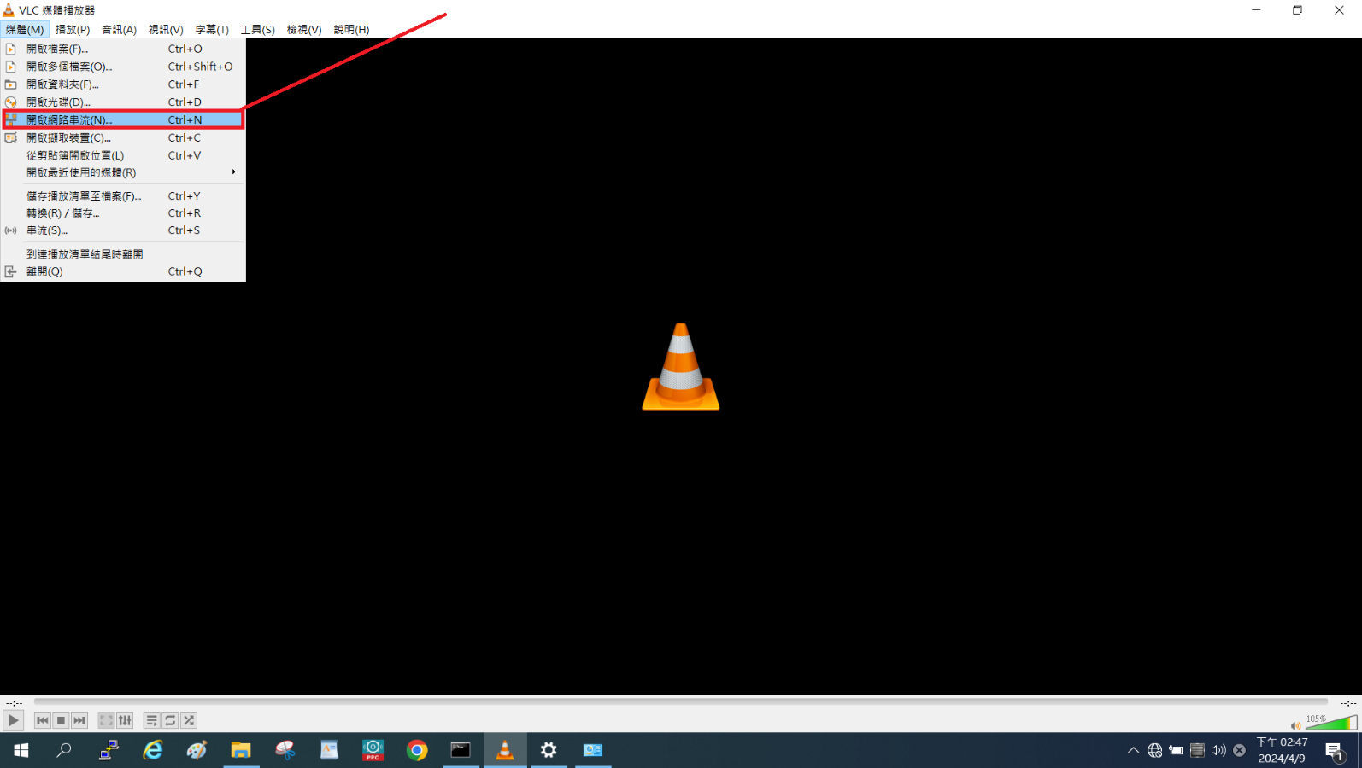

Input URL, for example 192.168.1.36 was eth0 IP on VALO360
rtsp://192.168.1.36

WebUI
WebUI 僅能透過 Ethernet 連線
development & production images 的 Ethernet 為浮動 IP (DHCP)
使用 Browser Chome, Firefox, Microsoft Edge… 都可以連線，顯示 WebuUI
Browser 連線輸入 => https://<VALO360-IP>:8443
 | Username: admin
 | Password: Nokia_360

檢查如下參考的兩張貼圖，紅色長方形框內項目。
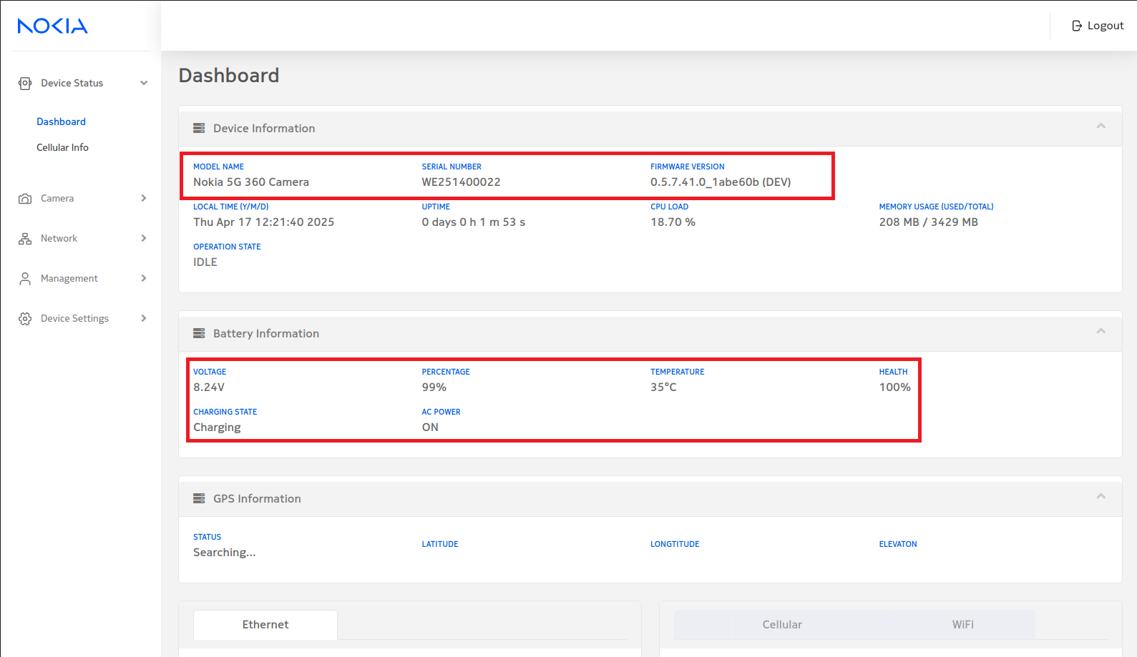
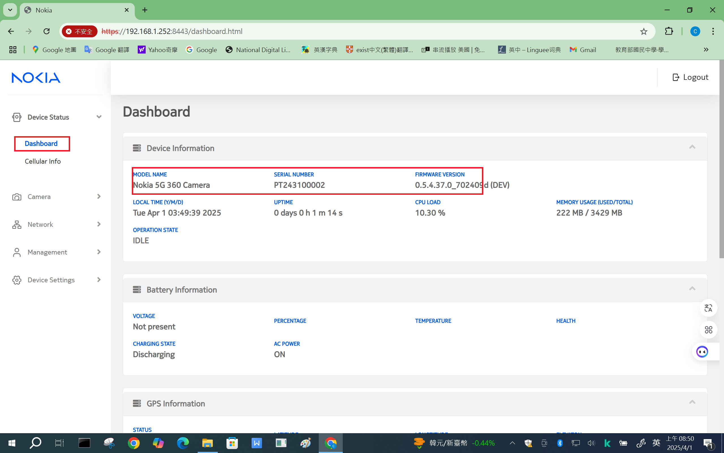

 |  | 2025/04/17 updated

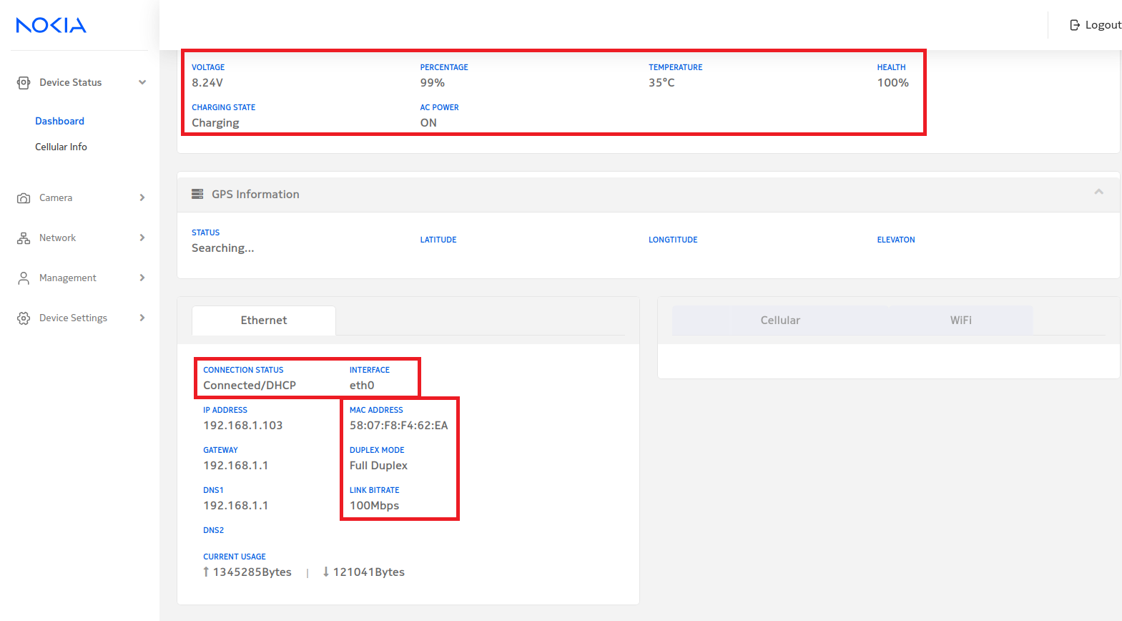

 |  | 2025/04/17 updated

PrivateKey
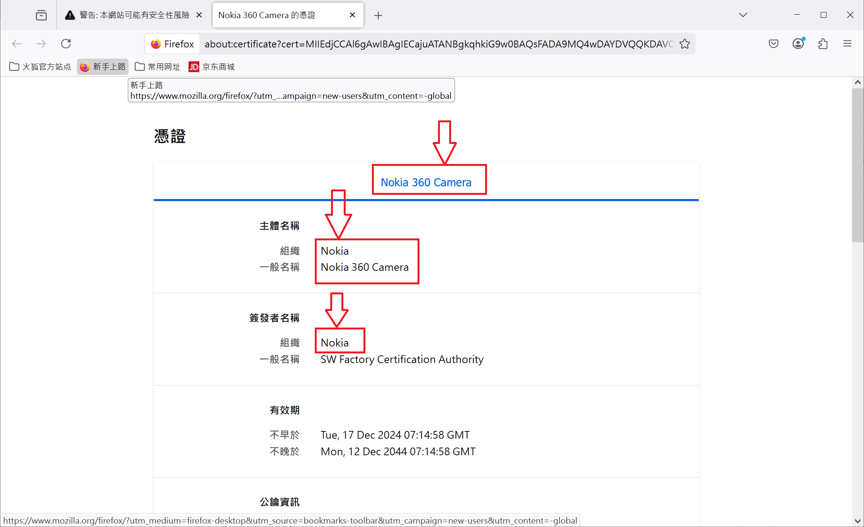
使用 Firefox 瀏覽器，登入 VALO360 後
1. 按下 "進階" 鈕，會彈出下方的視窗
2. 按下 "檢視憑證"
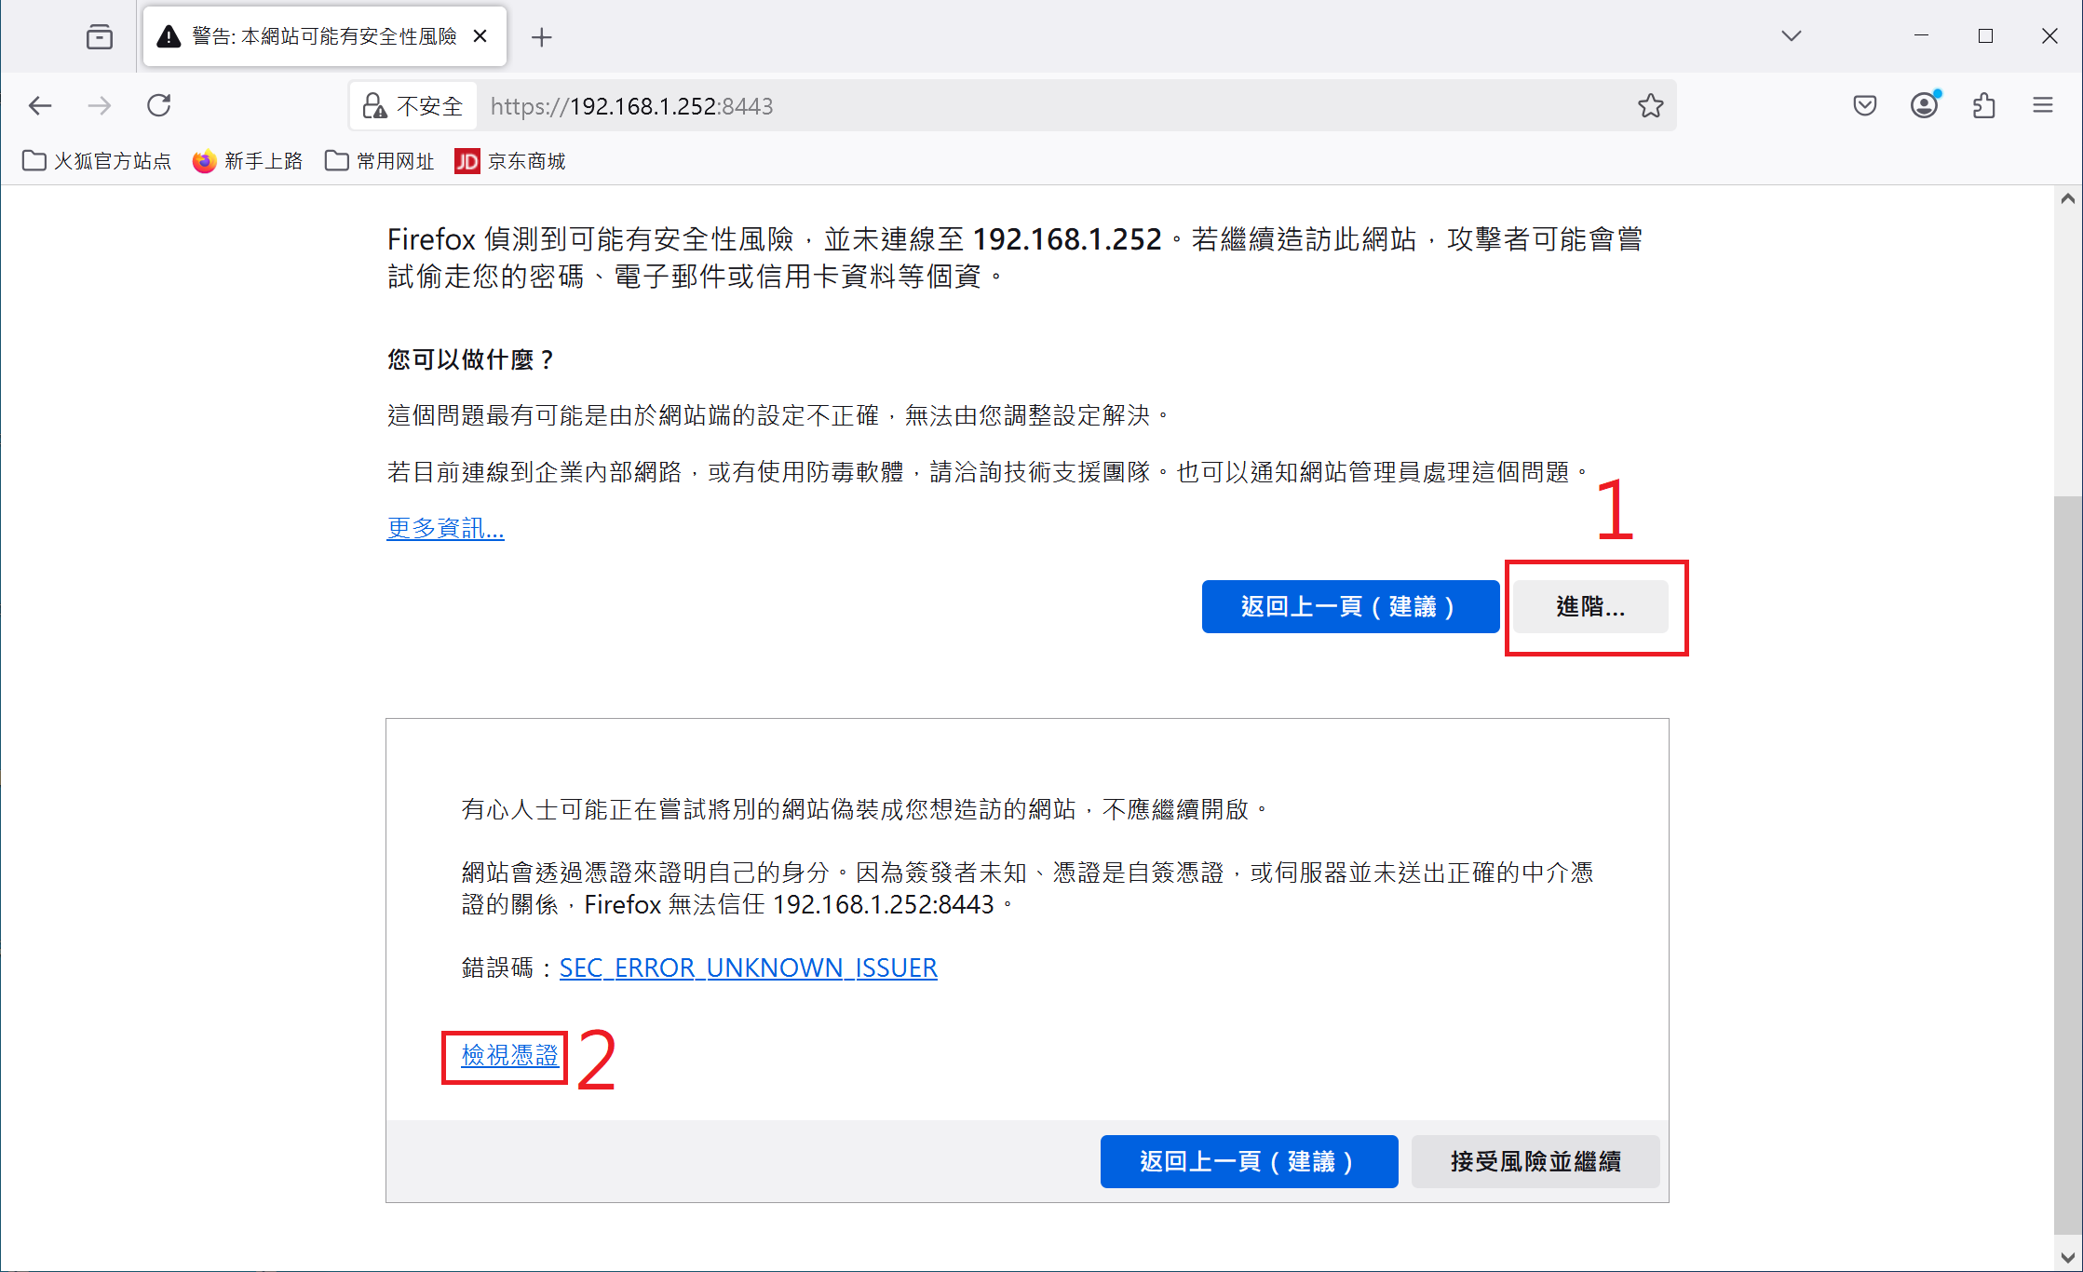

彈出此視窗，檢視三個紅色長方形框內，這些文字是否相同

WiFi
透過瀏覽器，在 WebUI中設置 WiFi
1. SSID 輸入 WiFi AP 的名稱
2. Password 輸入 WiFi AP 的密碼
3. 按下 Apply 鈕，將設定值寫入 VALO360
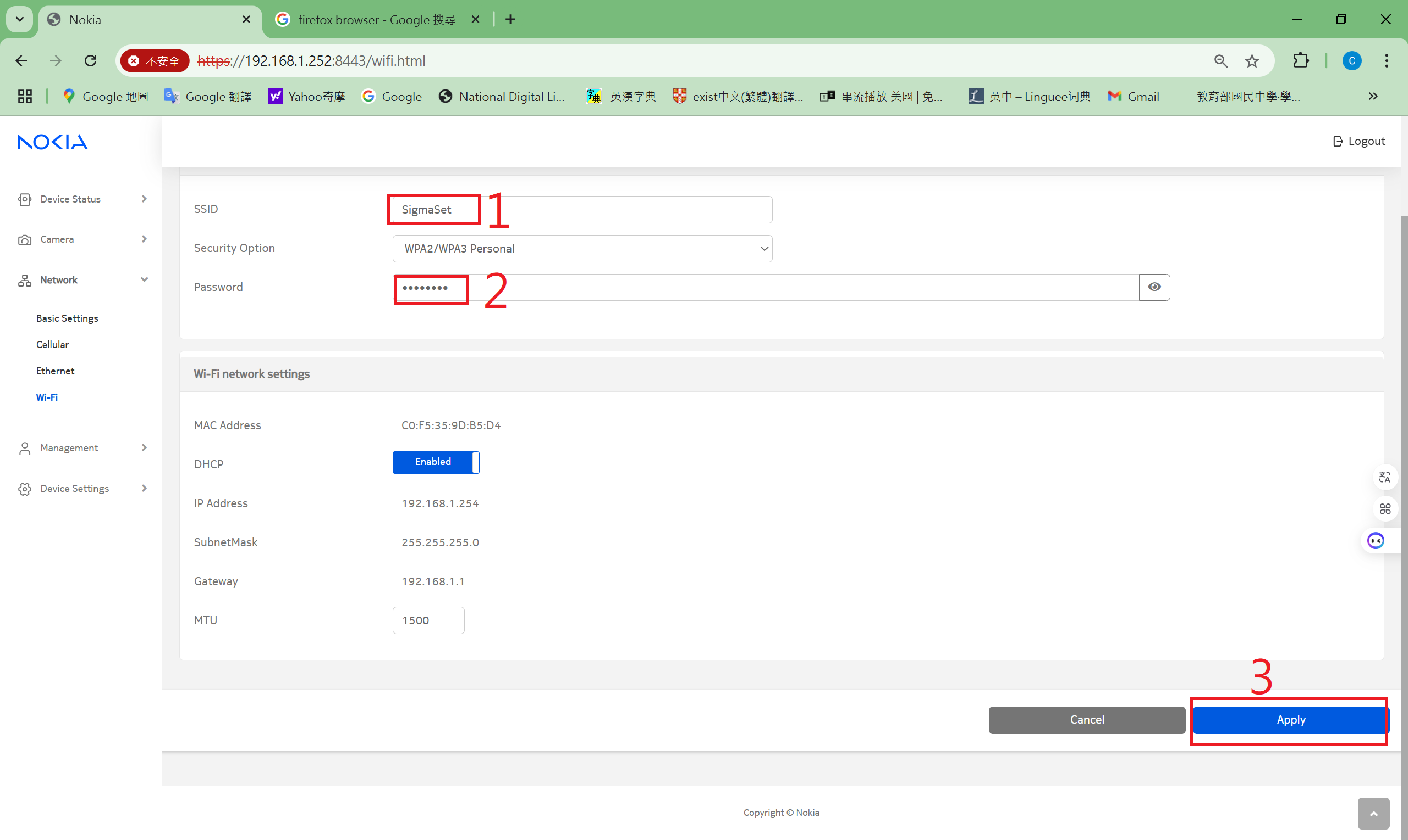

開啟 WiFi 網路，如下圖
1. 開啟 WiFi
2. 按下 Apply 鈕，將設定值寫入 VALO360
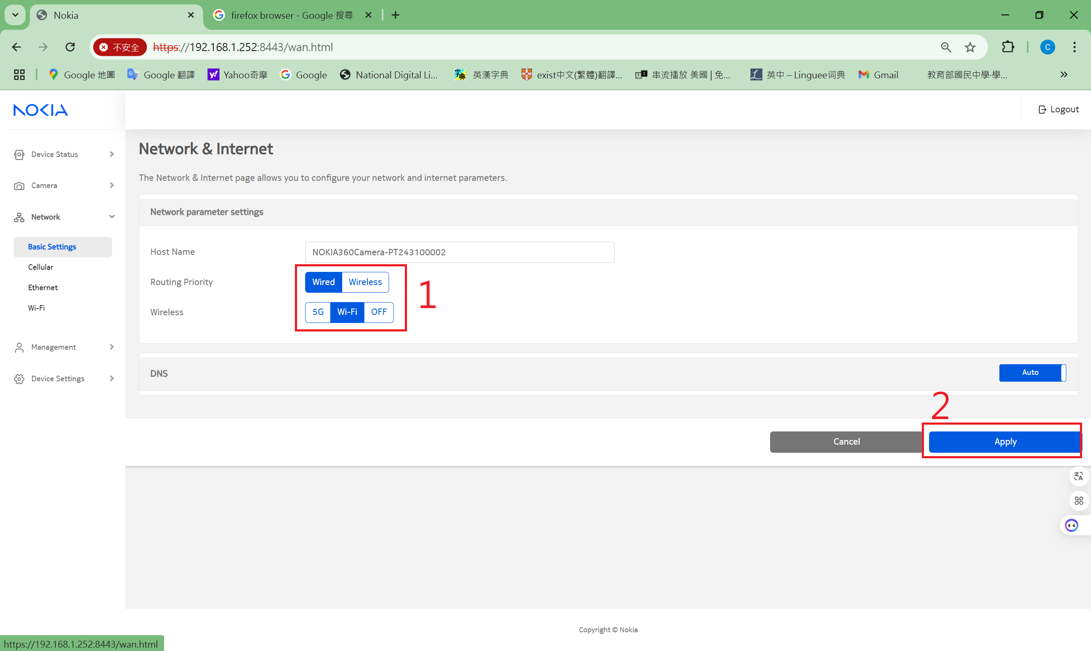

開啟 Dashboard 查看 WiFi 連線的狀態

5G (Cellular)
2025/4/17 added
1. 需有插入 5G or 4G sim card，可設定為不需要輸入 PIN code
2. 由 webui 開啟 5G
3. 檢查 Cellular Network Information and Status

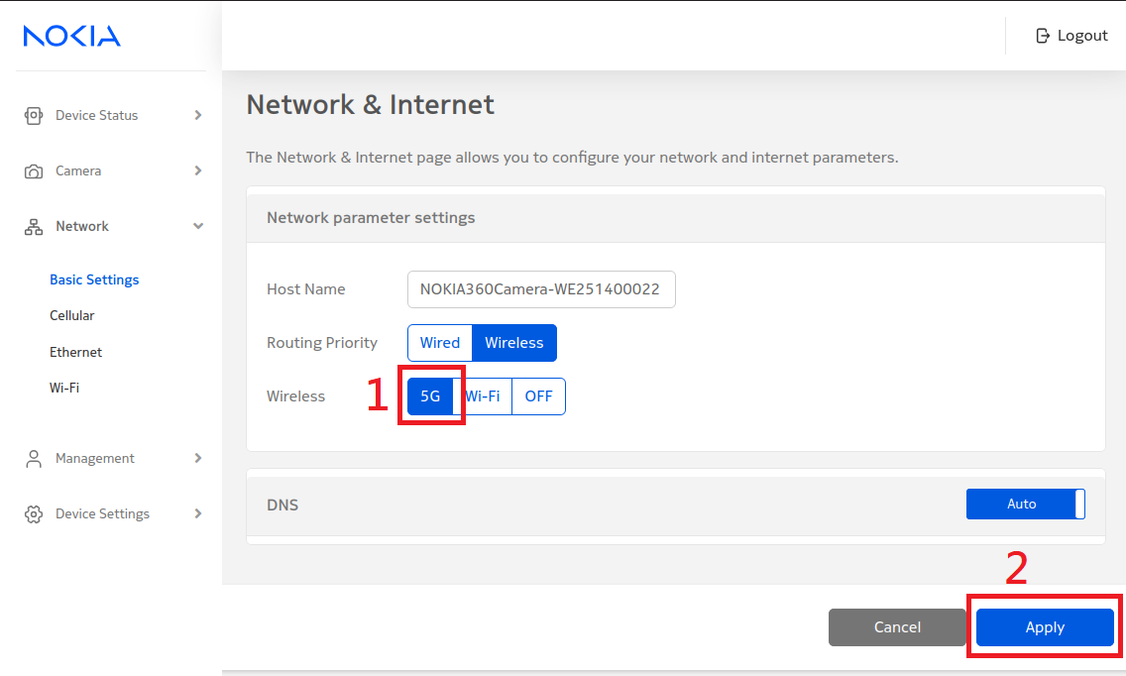

 | 開啟 5G 功能

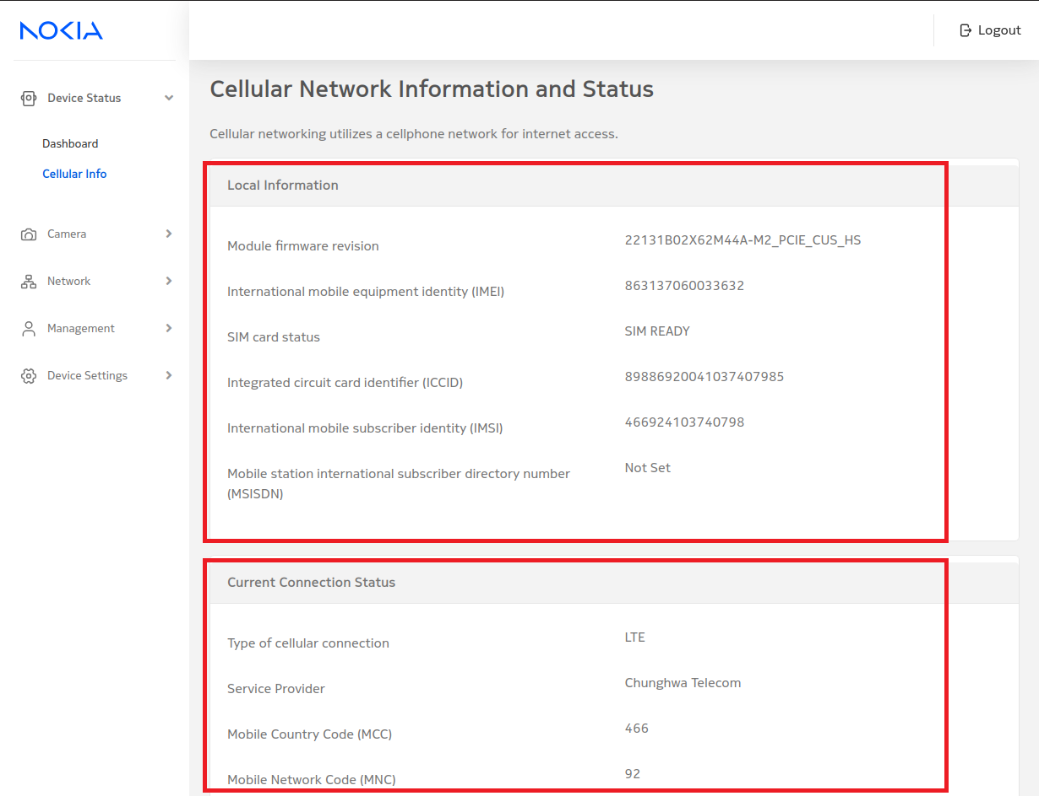

 | 連線成功，會顯示 Information & Status

